BOULDER 2.0
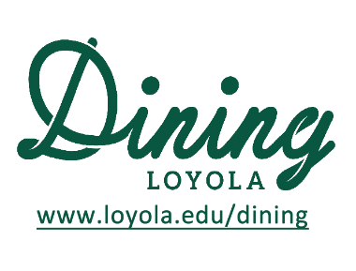
 |  | Cycle 7 - Week 3
 |  | BOULDER 2.0 MENU
 |  | 2024-05-06 | 2024-05-07 | 2024-05-08 | 2024-05-09 | 2024-05-10
 |  | Monday | Tuesday | Wednesday | Thursday | Friday
Soup | All Day | Beef Orzo Soup | Turkey Chili | Chicken Noodle Soup
 | Vegetarian All Day | Creamy Butternut Squash Soup (V, GF) | Tomato Soup | Roasted Vegetable Soup
Bravissimo | Lunch & Dinner | Tater Tot & Bacon Breakfast Bowl (*V) | Fried Chicken and Mashed Potato Bowls | Omelette Bar
Salad Bar | Lunch & Dinner | Mediterranean Salad Bar Create your own Yogurt Parfait Station Hummus , Pita and Crudite
 |  | Weekly Salad Bar Special: Bulgar Wheat Salad
 |  | Weekly Hummus Special: Avocado Hummus
Toasted | Lunch + Dinner 11am-8pm
 |  | Create your Own Flatbread Station | Create your Own Flatbread Station | Create your Own Flatbread Station
Side | Lunch 11-3 | Mac and Cheese | Mac and Cheese | Mac and Cheese
Side | Lunch 11-3 | Cauliflower Lentil Vegetable Curry (VG) | Orzo Vegetable Stuffed Pepper with Parmesan (V) | Ravioli with Marinara
Most stations are available for pre-order "to-go" on the Grubhub app. Please note that the menu is subject to change due to availability

